Sheet1
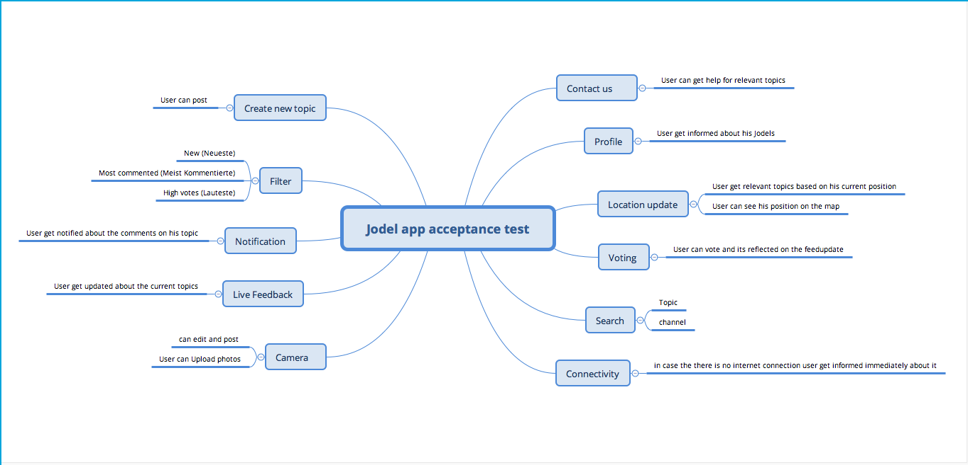
Epic | User story | Acceptance criteria
Live update | As a user i want to see new updates from the nearby community | User gets relevant updates with time tags to see how recent is the Jodel
Filter | As a user i want to filter Jodels with ( Neu/Meist Kommentierte/Lauteste) | User can see that resultes are reflected correctly
Voting | As a user I want to vote for a Jodel | User can see that there is a change in the sum of votes
Search | As a user i want to search with a topic name | User gets relevant results based on his searching criteria
 | As a user i want to search for a specific channel | User gets relevant results based on his searching criteria
Notifications | As a user i want to be notified when i have a new comment posted for my Jodel | User gets a push message (if he breviously selected this option)
 | As a user i want to be notified when there is a new Jodel posted in any channel that i subscripted to | User can see a red dot on the channels icon as well the channel with new Jodel is written in Bold font
Creating new Jodel | As a user i want to create a new Jodel | User can see that his new Jodel included in the new channel
 | As a user i want to post a photo with a comment | User can take a photo from his device and make edits to it as well it will be shown on the feeds
Karma | As a user i want to see the score of my karma | User can see updated karma results based on his interaction with the community
Location update | As a user i want to see Jodel from communities nearby whenever i change my location | User can get releveant jodels based on his location
Connectivitiy | As a user i want to get notified if there is no interenet connection | User gets an error message if he loses or has poor interent connection
Profile | As a user i want to see all relevant infomation concering my profile | User can see his Jodels - His replies to other jodels - His votes - His Pins
Help | As a user i want to get relevant help topics | User can find relevant help topics based on his prefered language
 | As a user I want to get in touch with customer support in case i couldn't find help in the FAQ | User can send requests to customer support

